Interview Feedback
REJECT/SELECT

Candidate Name | Round | Round Clear ? | Interviewer Name | Interview time slot and date | AA | UiPath | SAP | VBA | SQL | Others | Open to Travel
Lv Surya Karthik | Round 1 | Reject | Md Ahtesham | 10:00 am to 10:45 am | N | N | No | Basic | Basic

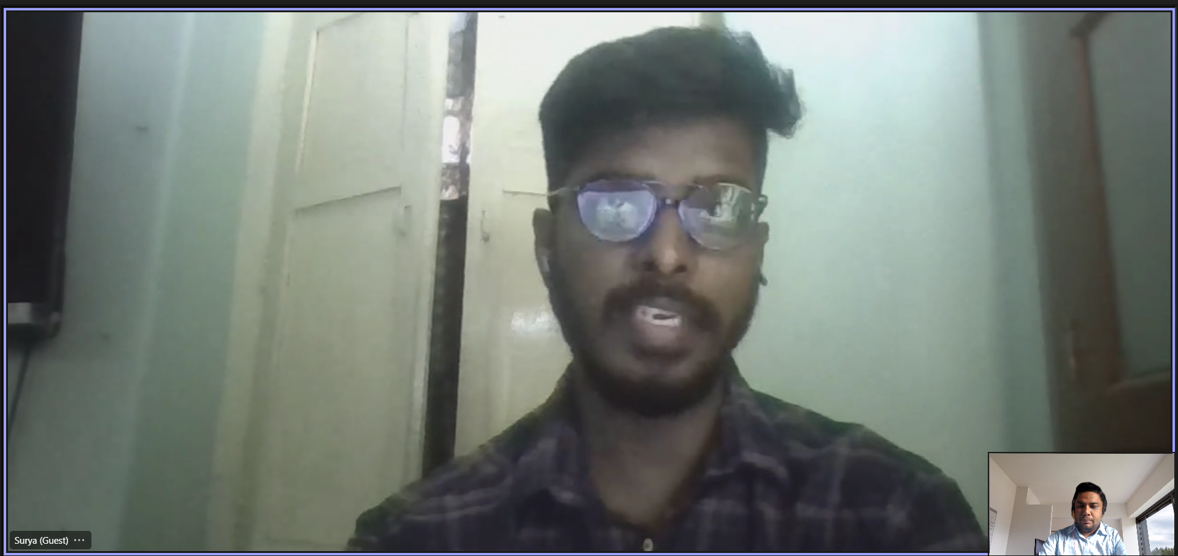
Status | Rejected
Criteria |  |  |  | 1st round Video screenshot
Communication(Average / Good / Excellent) | Average
Overall and Relevant Experience | 3yr/3 years
Domain Knowledge / Technical Skills | Blue Prism
Fitment into projects
Client Facing Experience
Interest Outside Work
Select / Reject (Detailed reason to be provided for both) | Rejected, Non of the basics of BP concept are clear.
Comments if any

